Sheet1
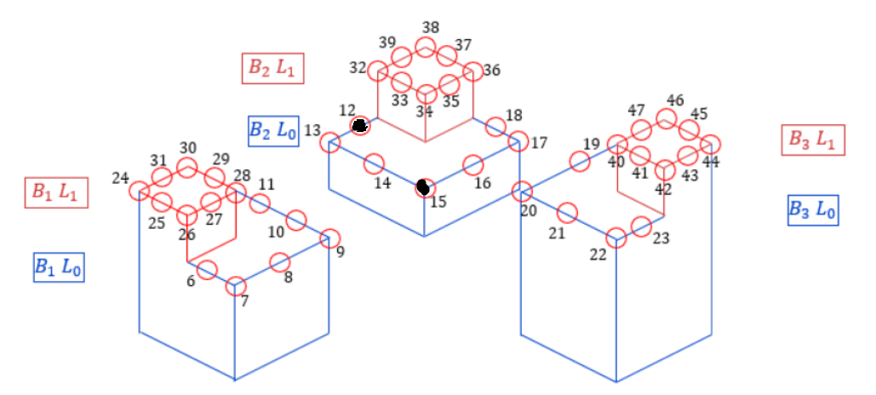
Point # | Building | x | y | z | w | dmin | Max Magic Number | Magic Point | Max Reductive Factor | Total Reductive Factor | Guid | JSON Reductive | Within Range?
1 | 0 | 0 | 0 | 0 | 60 | 0 | 0 |  | 1 | 1
2 | 0 | 0 | 0 | 0 | 60 | 0 | 0 |  | 1 | 1
3 | 0 | 0 | 0 | 0 | 60 | 0 | 0 |  | 1 | 1
4 | 0 | 0 | 0 | 0 | 60 | 0 | 0 |  | 1 | 1
5 | 0 | 0 | 0 | 0 | 60 | 0 | 0 |  | 1 | 1
6 | 1 | 0 | 45 | 20 | 20 | 45.483 | 5.053 | 26 | 1.658 | 1.658 | 9ab00223-7ac0-4ab2-8c4d-b6b1e8a5feac | 1.6529938287 | TRUE
7 | 1 | 0 | 40 | 20 | 20 | 45.483 | 2.756 | 26 | 1.301 | 1.301 | 2962bcc4-ed96-4184-a03b-61ffe2daeb41 | 1.3008957937 | TRUE
8 | 1 | 10 | 40 | 20 | 20 | 45.483 | 2.756 | 28 | 1.301 | 1.301 | 56def24d-9dc0-48b1-a617-0ece80694382 | 1.3008524436 | TRUE
9 | 1 | 20 | 40 | 20 | 20 | 45.483 | 2.002 | 28 | 1.152 | 1.152 | f16adcf4-1ac6-430c-a747-fdb7cdd42db9 | 1.1537282251 | TRUE
10 | 1 | 20 | 45 | 20 | 20 | 45.483 | 2.489 | 28 | 1.251 | 1.251 | 6dcf8c8c-b6ea-4734-b050-bf6272d8b84a | 1.2706964278 | TRUE
11 | 1 | 20 | 55 | 20 | 20 | 45.483 | 2.756 | 29 | 1.301 | 1.301 | 8414d269-3823-4ce3-a94f-59ab48ce891d | 1.295746581 | TRUE
12 | 2 | 45 | 60 | 10 | 20 | 26.488 | 3.653 | 32 | 1.658 | 1.658 | acad01d9-d1a5-4456-9ba7-cf32c4833670 | 1.7496586879 | FALSE | 1.7496586879 | 1.6580705589 | 1.7493731526 | -0.02%
13 | 2 | 40 | 60 | 10 | 20 | 26.488 | 1.993 | 32 | 1.301 | 1.301 | 20f0f58a-2a10-426c-a11d-5d3b5fc54197 | 1.3008957937 | TRUE
14 | 2 | 40 | 50 | 10 | 20 | 26.488 | 1.993 | 34 | 1.301 | 1.301 | 8a0bfc29-b812-4ca3-b385-27f49d3af3e3 | 1.3002525396 | TRUE
15 | 2 | 40 | 40 | 10 | 20 | 26.488 | 1.777 | 20 | 1.453 | 1.111 | 829e88b8-c1f4-4c11-8809-997331312671 | 1.1104202279 | TRUE | 1.3077021996 | 1.4534741382 | 1.4530816617
16 | 2 | 50 | 40 | 10 | 20 | 26.488 | 1.993 | 34 | 1.301 | 1.301 | 5d5599db-27c4-45bf-9b39-ec78b08f0ee0 | 1.3008804866 | TRUE
17 | 2 | 60 | 40 | 10 | 20 | 26.488 | 1.993 | 36 | 1.301 | 1.301 | 097aff1d-4a33-421f-a549-e7dcf358ad4a | 1.3008957937 | TRUE
18 | 2 | 60 | 45 | 10 | 20 | 26.488 | 3.653 | 36 | 1.658 | 1.658 | 678e23bb-1d5c-4ce0-8309-201e2619c98c | 1.6733090661 | TRUE |  | x | y | z
19 | 3 | 50 | 20 | 30 | 20 | 62.402 | 3.469 | 40 | 1.301 | 1.301 | 1d3b9d8f-a6d3-44fe-92e6-41bbaf843e68 | 1.2989867164 | TRUE | 15 | 40 | 40 | 10
20 | 3 | 40 | 20 | 30 | 20 | 62.402 | 2.52 | 40 | 1.152 | 1.152 | 39e8d690-502c-4982-9268-16d4d5afcb44 | 1.1533298149 | TRUE | 20 | 40 | 20 | 30
21 | 3 | 40 | 10 | 30 | 20 | 62.402 | 3.469 | 40 | 1.301 | 1.301 | a83219d4-d71a-4891-8f18-d1f923b8bbe6 | 1.2986414963 | TRUE | 15 | 40.03 | 40 | 9.98
22 | 3 | 40 | 0 | 30 | 20 | 62.402 | 3.469 | 42 | 1.301 | 1.301 | e6a5721e-b236-4aa7-8e0f-e6c6d8fb760f | 1.3008957937 | TRUE | 20 | 40.03 | 40 | 9.98
23 | 3 | 45 | 0 | 30 | 20 | 62.402 | 6.361 | 42 | 1.658 | 1.658 | 8b90ee38-288f-42e6-8fbf-30b51483f4cb | 1.6869880754 | TRUE |  | 1.4534741382
24 | 1 | 0 | 60 | 30 | 10 | 51.393 | 0 |  | 1 | 1 | 46ab6f0a-ce84-467e-a8f6-a66dd93988cc | 1 | TRUE
25 | 1 | 0 | 55 | 30 | 10 | 51.393 | 0 |  | 1 | 1 | 4c43a24a-587e-47d7-973f-4f87974e6bac | 1 | TRUE
26 | 1 | 0 | 50 | 30 | 10 | 51.393 | 0 |  | 1 | 1 | d456293c-ff74-42ae-9b63-fbfdd2d9308e | 1 | TRUE
27 | 1 | 5 | 50 | 30 | 10 | 51.393 | 0 |  | 1 | 1 | 56b90802-53ef-42f0-af92-7b4ba6fd07d8 | 1 | TRUE
28 | 1 | 10 | 50 | 30 | 10 | 51.393 | 0 |  | 1 | 1 | ecf06441-c44f-4702-89ab-894aa1101889 | 1 | TRUE
29 | 1 | 10 | 55 | 30 | 10 | 51.393 | 0 |  | 1 | 1 | 1b311b79-4307-4dd0-aa0d-fb72df268b1c | 1 | TRUE
30 | 1 | 10 | 60 | 30 | 10 | 51.393 | 0 |  | 1 | 1 | 18f9d66e-7c17-4ecb-9c49-610daebff469 | 1 | TRUE
31 | 1 | 5 | 60 | 30 | 10 | 51.393 | 0 |  | 1 | 1 | bfbe2aad-7526-49e6-b855-a662f89b60a3 | 1 | TRUE
32 | 2 | 50 | 60 | 20 | 10 | 37.459 | 0 |  | 1 | 1 | 8e47c3f7-53d4-4e36-99e6-28b69cb8b9ad | 0 | FALSE
33 | 2 | 50 | 55 | 20 | 10 | 37.459 | 1.037 | 19 | 1 | 1 | 0446778c-d206-4f9e-8317-269a7a42b7e9 | 1 | TRUE
34 | 2 | 50 | 50 | 20 | 10 | 37.459 | 1.204 | 19 | 1 | 1 | d2f318dc-5165-48b8-92b5-0aa9cbc406d2 | 1 | TRUE
35 | 2 | 55 | 50 | 20 | 10 | 37.459 | 1.188 | 19 | 1 | 1 | 675d2c1c-35cb-4cd9-a4d5-7e8b837c9220 | 1 | TRUE
36 | 2 | 60 | 50 | 20 | 10 | 37.459 | 1.144 | 19 | 1 | 1 | 80953b84-22a7-4fa6-a0cc-1f4c43025fb5 | 1 | TRUE
37 | 2 | 60 | 55 | 20 | 10 | 37.459 | 0.998 | 19 | 1 | 1 | 3be8a123-bbd2-4de1-a3a1-c62ee8f59817 | 1 | TRUE
38 | 2 | 60 | 60 | 20 | 10 | 37.459 | 0 |  | 1 | 1 | ab81b373-49bc-4e9a-aeda-d443e452b6dd | 1 | TRUE
39 | 2 | 55 | 60 | 20 | 10 | 37.459 | 0 |  | 1 | 1 | ce38ee29-ed9b-4740-b82b-e8e35d83a9f9 | 1 | TRUE
40 | 3 | 50 | 10 | 40 | 10 | 64.322 | 0 |  | 1 | 1 | 6bf89e51-367c-437b-953a-557afbb10b7e | 1 | TRUE
41 | 3 | 50 | 5 | 40 | 10 | 64.322 | 0 |  | 1 | 1 | 4210dabd-20ab-4dce-b076-b5369d17228b | 1 | TRUE
42 | 3 | 50 | 0 | 40 | 10 | 64.322 | 0 |  | 1 | 1 | 90f5e448-4df1-42fa-b80a-0b3b9d287e31 | 1 | TRUE
43 | 3 | 55 | 0 | 40 | 10 | 64.322 | 0 |  | 1 | 1 | 2e9d1ca5-156c-418a-a3bb-79e2e8ca126d | 1 | TRUE
44 | 3 | 60 | 0 | 40 | 10 | 64.322 | 0 |  | 1 | 1 | 81e490d2-d6eb-42ad-8424-1d99ed1b02f5 | 1 | TRUE
45 | 3 | 60 | 5 | 40 | 10 | 64.322 | 0 |  | 1 | 1 | b71ab3ee-8f3a-4d38-96a0-ac3bf47186b3 | 1 | TRUE
46 | 3 | 60 | 10 | 40 | 10 | 64.322 | 0 |  | 1 | 1 | c3b48449-f463-4ccb-86fc-29bb67a187cd | 1 | TRUE
47 | 3 | 55 | 10 | 40 | 10 | 64.322 | 0 |  | 1 | 1 | 1f509571-1fc9-4b68-9ad4-696e8c595697 | 1 | TRUE

